TPS3700
TPS3700 and TPS3701 Supervisor Resistor Calculator Tool
Note: TPS3700 Tool is on Sheet 1, TPS3701 Tool is on Sheet 2 |  |  |  |  |  | Step 2 |  |  |  | Step 4
Step 1

 | TPS3700 INPUT |  |  |  |  |  | CALCULATED |  |  |  | TPS3700 CALCULATED Threshold Values
 |  | V_monitor [V] | 12 |  |  |  |  | OV Detect Tolerance | 9%
 |  | V_mon_OV | 13.14 |  |  |  |  | UV Detect Tolerance | -9% |  |  |  | w/ device accuracy | Worst-case tolerance | Return condition
 |  | V_mon_UV | 10.99 |  |  |  |  |  |  |  |  |  | (TYPICAL) | (MIN/MAX) | (HYSTERESIS)
 |  | Resistor_Tolerance | 1% |  |  |  |  | UV Worst-case Error Tolerance | 3.87% |  | V_IT+ (MAX) |  | 13.27 | 13.53
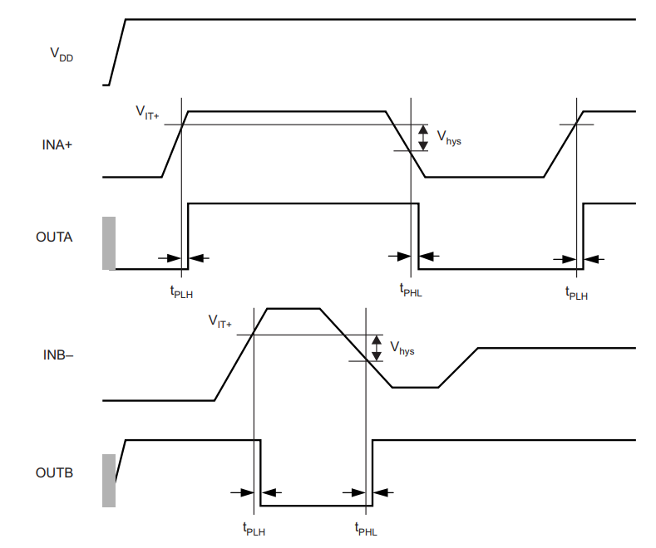
 |  |  |  |  |  |  |  | OV Worst-case Error Tolerance | 2.95% |  | V_mon_OV | 13.14 |  |  | 13.52 | V_IT- (MAX)
 |  |  |  |  |  |  |  |  |  |  | V_IT+ (MIN) |  | 13.01 | 12.75
 |  |  |  |  |  |  |  |  |  |  |  |  |  |  | 12.74 | V_IT- (MIN)

 |  |  |  |  |  | Step 3 |  |  |  |  | V_mon | 12

 |  |  |  |  |  |  | TPS3700 CALCULATED Resistor Values |  |  |  |  |  |  |  | 11.43 | V_IT+ (MAX)
 |  |  |  |  |  |  |  |  |  |  | V_IT- (MAX) |  | 11.10 | 11.41
 |  |  |  |  |  |  |  |  |  |  | V_mon_UV | 10.99 |  |  | 10.58 | V_IT+ (MIN)
 |  |  |  |  |  |  | RT_desired [Ω] | 2,316,435 | MAX |  | V_IT- (MIN) |  | 10.88 | 10.57
 |  |  |  |  |  |  |  | 2,293,500 | TYP
 |  |  |  |  |  |  |  | 2,270,565 | MIN

 |  |  |  |  |  |  | R1 [Ω] | 2,233,284 | MAX
 |  |  |  |  |  |  |  | 2,211,172 | TYP
 |  | TPS3700 Constants |  |  |  |  |  | 2,189,060 | MIN
 |  |  | MIN | TYP | MAX
 |  | V_IT- [V] | 0.387 | 0.3945 | 0.4
 |  | V_IT+ [V] | 0.396 | 0.4 | 0.404
 |  | Hysteresis [mV] |  | 5.5 | 12 |  | R2 [Ω] | 12,636 | MAX
 |  | TPS3700_VDD [V] |  |  | 18 |  |  | 12,511 | TYP
 |  | TPS3700_IDD [uA] |  | 5.5 |  |  |  | 12,386 | MIN
 |  | TPS3700_ I_IN [nA] |  |  | 25

 | TPS3700 Datasheet: |  |  |  |  |  | R3 [Ω] | 70,516 | MAX
 | Commerical: | http://www.ti.com/lit/ds/symlink/tps3700.pdf |  |  |  |  |  | 69,817 | TYP
 | Auto: | http://www.ti.com/lit/ds/symlink/tps3700-q1.pdf |  |  |  |  |  | 69,119 | MIN

Texas Instruments - 2018 - END OF FILE

TPS3701
TPS3700 and TPS3701 Supervisor Resistor Calculator Tool
Note: TPS3700 Tool is on Sheet 1, TPS3701 Tool is on Sheet 2 |  |  |  |  |  | Step 2 |  |  |  | Step 4
Step 1

 | TPS3701 INPUT |  |  |  |  |  | CALCULATED |  |  |  | TPS3701 CALCULATED Threshold Values
 |  | V_monitor [V] | 24 |  |  |  |  | OV Detect Tolerance | 10%
 |  | V_mon_OV | 26.4 |  |  |  |  | UV Detect Tolerance | -11% |  |  |  | w/ device accuracy | Worst-case tolerance | Return condition
 |  | V_mon_UV | 21.6 |  |  |  |  |  |  |  |  |  | (TYPICAL) | (MIN/MAX) | (HYSTERESIS)
 |  | Resistor_Tolerance | 1% |  |  |  |  | UV Worst-case Error Tolerance | 2.72% |  | V_IT+ (MAX) |  | 26.60 | 27.12
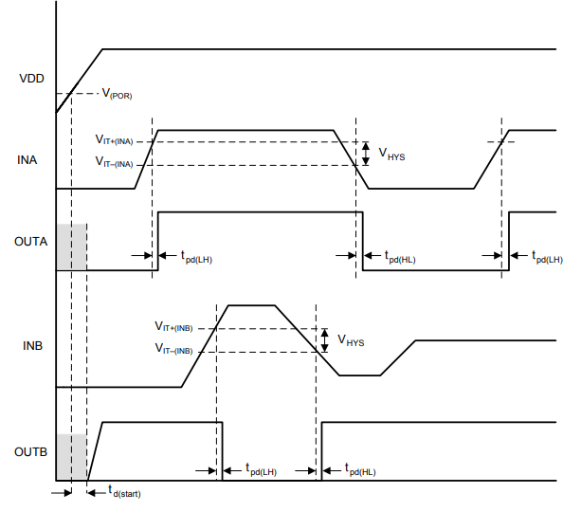
 |  |  |  |  |  |  |  | OV Worst-case Error Tolerance | 2.73% |  | V_mon_OV | 26.4 |  |  | 27.11 | V_IT- (MAX)
 |  |  |  |  |  |  |  |  |  |  | V_IT+ (MIN) |  | 26.20 | 25.68
 |  |  |  |  |  |  |  |  |  |  |  |  |  |  | 25.67 | V_IT- (MIN)

 |  |  |  |  |  | Step 3 |  |  |  |  | V_mon | 24

 |  |  |  |  |  |  | TPS3701 CALCULATED Resistor Values |  |  |  |  |  |  |  | 22.20 | V_IT+ (MAX)
 |  |  |  |  |  |  |  |  |  |  | V_IT- (MAX) |  | 21.48 | 22.19
 |  |  |  |  |  |  |  |  |  |  | V_mon_UV | 21.6 |  |  | 21.02 | V_IT+ (MIN)
 |  |  |  |  |  |  | RT_desired [Ω] | 2,050,300 | MAX |  | V_IT- (MIN) |  | 21.16 | 21.01
 |  |  |  |  |  |  |  | 2,030,000 | TYP
 |  |  |  |  |  |  |  | 2,009,700 | MIN

 |  | TPS3701 Constants |  |  |  |  | R1 [Ω] | 2,012,331 | MAX
 |  |  | MIN | TYP | MAX |  |  | 1,992,407 | TYP
 |  | V_IT- (INA) [V] | 0.397 | 0.4 | 0.403 |  |  | 1,972,483 | MIN
 |  | V_IT+ (INA) [V] | 0.4 | 0.4055 | 0.413
 |  | V_IT- (INB) [V] | 0.387 | 0.3945 | 0.4
 |  | V_IT+ (INB) [V] | 0.397 | 0.4 | 0.403
 |  | Hysteresis [mV] | 2 | 5.2 | 12 |  | R2 [Ω] | 6,903 | MAX
 |  | TPS3701_VDD [V] |  |  | 36 |  |  | 6,835 | TYP
 |  | TPS3701_IDD [uA] |  | 8 | 11 |  |  | 6,767 | MIN
 |  | TPS3701_ I_IN [nA] |  |  | 25

 | TPS3700 Datasheet:
 | Commerical: | http://www.ti.com/lit/ds/symlink/tps3701.pdf |  |  |  |  | R3 [Ω] | 31,065 | MAX
 |  |  |  |  |  |  |  | 30,758 | TYP
 |  |  |  |  |  |  |  | 30,450 | MIN

Texas Instruments - 2018 - END OF FILE

